MAIN


2023 NoSAm - Crustal Model
Carlos A. Arteta, Cesar A. Pajaro, Vicente Mercado, Julián Montejo, Mónica Arcila, Norman A. Abrahamson
Bulletin of the Seismological Society of America (2023) 113 (1): 186–203. https://doi.org/10.1785/0120220168

 | PSa Median for 5% damping | PSa Median + 1.σ for 5 % damping | PSa Median - 1.σ for 5 % damping
0.01 | 0.135 | 0.323 | 0.056
0.02 | 0.143 | 0.345 | 0.059
0.03 | 0.153 | 0.372 | 0.063
0.05 | 0.192 | 0.480 | 0.077
0.075 | 0.266 | 0.702 | 0.100
0.1 | 0.324 | 0.875 | 0.120
0.15 | 0.429 | 1.173 | 0.157
0.2 | 0.395 | 1.054 | 0.148
0.25 | 0.309 | 0.791 | 0.121
0.3 | 0.242 | 0.609 | 0.096
0.4 | 0.176 | 0.438 | 0.071
0.5 | 0.141 | 0.347 | 0.057
0.75 | 0.094 | 0.214 | 0.041
1 | 0.070 | 0.157 | 0.031
1.5 | 0.044 | 0.098 | 0.020
2 | 0.031 | 0.068 | 0.014
3 | 0.018 | 0.037 | 0.009
4 | 0.012 | 0.024 | 0.006
5 | 0.008 | 0.017 | 0.004
6 | 0.006 | 0.011 | 0.003
7.5 | 0.004 | 0.007 | 0.002
10 | 0.002 | 0.004 | 0.001
 |  |  |  |  |  |  |  |  |  | V1.0 04AGO-2023
Input Parameters |  |  | T (s) | PSa Median for 5% damping | PSa Median + 1.σ for 5% damping | PSa Median - 1.σ for 5% damping | PSa Median + 1.σss for 5% damping | PSa Median - 1.σss for 5% damping
Mw |  | PSa (g) | 0.01 | 0.135 | 0.323 | 0.056 | 0.262 | 0.069
6.5 |  |  | 0.02 | 0.143 | 0.345 | 0.059 | 0.276 | 0.074
 |  |  | 0.03 | 0.153 | 0.372 | 0.063 | 0.300 | 0.078
RRUP (km) |  |  | 0.05 | 0.192 | 0.480 | 0.077 | 0.393 | 0.094
15 |  |  | 0.075 | 0.266 | 0.702 | 0.100 | 0.573 | 0.123
 |  |  | 0.1 | 0.324 | 0.875 | 0.120 | 0.721 | 0.145
Zhypo (km) |  |  | 0.15 | 0.429 | 1.173 | 0.157 | 0.984 | 0.187
9 |  |  | 0.2 | 0.395 | 1.054 | 0.148 | 0.864 | 0.181
 |  |  | 0.25 | 0.309 | 0.791 | 0.121 | 0.646 | 0.148
Soil Cat |  |  | 0.3 | 0.242 | 0.609 | 0.096 | 0.493 | 0.119 | Pseudo Spectral Acceleration (% damping) (g)
2 |  |  | 0.4 | 0.176 | 0.438 | 0.071 | 0.348 | 0.089
 |  |  | 0.5 | 0.141 | 0.347 | 0.057 | 0.276 | 0.072
P* | Recommended |  | 0.75 | 0.094 | 0.214 | 0.041 | 0.174 | 0.051
3.29 | 3.29 |  | 1 | 0.070 | 0.157 | 0.031 | 0.129 | 0.038
 |  |  | 1.5 | 0.044 | 0.098 | 0.020 | 0.079 | 0.025
Rvolc (km) |  |  | 2 | 0.031 | 0.068 | 0.014 | 0.055 | 0.018
0 |  |  | 3 | 0.018 | 0.037 | 0.009 | 0.030 | 0.011
 |  |  | 4 | 0.012 | 0.024 | 0.006 | 0.020 | 0.008
e |  |  | 5 | 0.008 | 0.017 | 0.004 | 0.014 | 0.005
1 |  |  | 6 | 0.006 | 0.011 | 0.003 | 0.009 | 0.004
Check Input Zhypo < RRup |  |  | 7.5 | 0.004 | 0.007 | 0.002 | 0.006 | 0.002
 |  |  | 10 | 0.002 | 0.004 | 0.001 | 0.003 | 0.001

 |  | USER GUIDANCE The NoSAm crustal model estimates the horizontal-component RotD50, 5%-damped, spectral acceleration of crustal earthquakes in NoSAm for spectral periods ≤10 s. The range of magnitudes for applying the NoSAm crustal GMM is 4:5 ≤ Mw ≤ 8:0. The rupture distance range is 5 ≤ Rrup ≤ 350 km. This model is only intended for applications in NoSAm. The global GMMs should be considered for other regions without region-specific models. The input parameters required are: 1. the moment magnitude Mw; 2. the rupture distance to the site Rrup (km); 3. site category based on the predominant period according to Table 1; 4. the hypocentral depth of the earthquake Zhypo (km); 5. the horizontal portion of the ray path crossing the volcanic regions, Rvolc (km). The median Rvolc value of 31 km may be used when estimates for ray paths crossing the arc are unavailable.

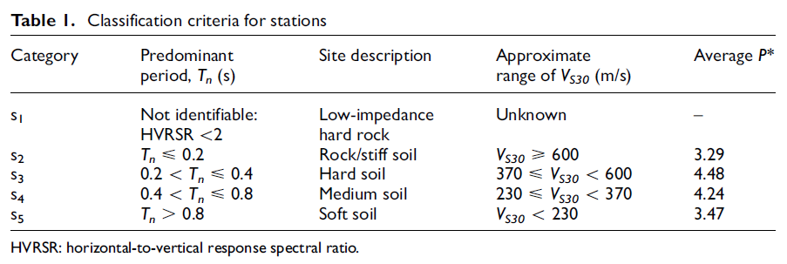
 | Average P*
1 | 1.9
2 | 3.29
3 | 4.48
4 | 4.24
5 | 3.47

